Sheet1
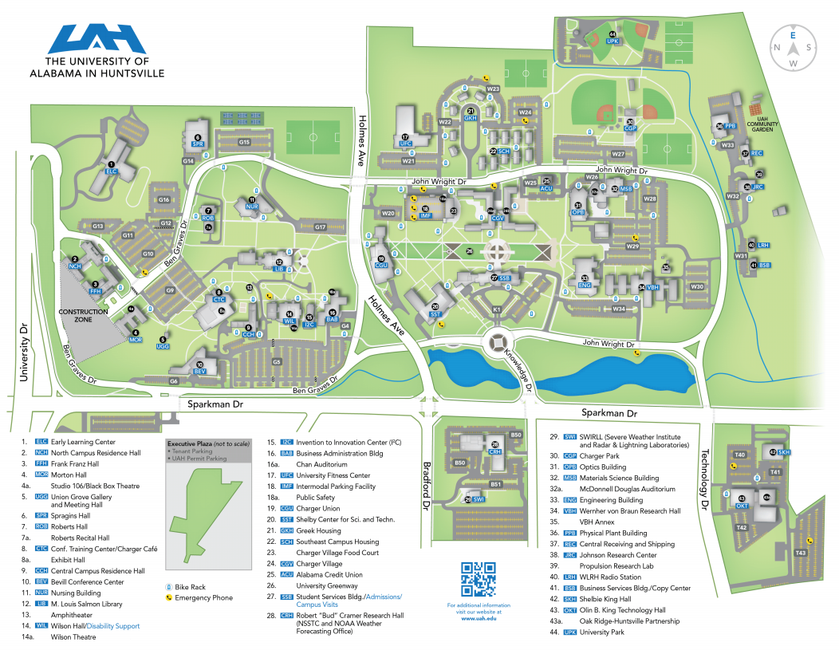
Location | Fixture Type to be replaced | # of fixtures | Voltage | Pole height | Pole Type | unit price per fixture | + | installation cost per fixture | + | Recycling / Disposal cost per fixture | = | Total cost per fixture | Total cost for total number of fixtures
Parking Lot T40 | 400W HPS (shoebox) | 8 (2 fixtures per pole) | 480v | 30' | 5" square metal
 | 100W HPS (near sidewalk in front of OKT) | 3 | 480v | 15' | 6" round aluminum
Parking Lot T41 | 400W HPS (shoebox) | 8 (2 fixtures per pole) | 277v | 30' | 5" square metal
 | 100W HPS | 2 | 277v | 30' | 8" round metal
 | 250W HPS | 6 | 277v | 20' | 8" round metal
 | 400W HPS (shoebox) (near flagpole - SKH) | 4 | 277v | 30' | 5" square metal
 | 100W HPS (shoebox) (sidewalk of SKH) | 5 | 277v | 12' | 4" square metal
Parking Lot T42 (OKT) | 400W HPS (shoebox) | 16 (2 fixtures per pole) | 480v | 30' | 5" square metal
Parking Lot W26 (OPB) | 400W HPS | 3 | 277v | 25' | 6 3/4" square metal
Parking Lot W29 (Behind ENG / CP) | 400W HPS | 16 (2 fixtures per pole) | 277v | 25' | 6 3/4" square metal
 | 400W HPS (shoebox) | 14 (2 fixtures per pole) | 277v | 30' | 5" square metal
Parking Lot W34 (ENG) | 400W HPS | 12 (2 fixtures per pole) | 277v | 25' | 6 3/4" square metal
Parking Lot G4 (BAB) | 100W HPS | 18 | 480v | 20' | 4" square metal
Parking Lot G5 (WIL) | 400W HPS (shoebox) | 128 (2 fixtures per pole) | 480v | 30' | 5" square metal
 | 100W HPS (shoebox) (WIL sidewalk) | 14 | 277v | 12' | 4" square metal
Parking Lot G6 (BEV) | 100 W | 19 | 277v | 12' | 4" square metal
Parking Lot G15 (SPR) | 1,000W HPS (shoebox) | 12 (2 fixtures per pole) | 480v | 30' | 5" square metal
 | 100W Metal Halide (stairs) | 2 | 480v | 20' | 4" square metal
Parking Lot B50 (CRH) | 400W HPS (shoebox) | 25 | 480v | 30' | 5" square metal
Main Entrance | 100W Metal Halide | 14 | 277v | 20' | 4" square metal
 | 250W Metal Halide | 11 | 277v | 30' | 4" square metal

